Sheet1
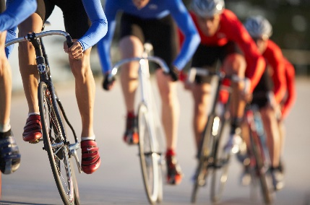
Total Customers
19,119
Total Revenue
$109M
Average Order Value
$3,915
Total Salespeople
17

Adventure Works

Product Sales over Time
 | TotalSales
2011 | 503805.9169
2011 | 458910.8248
2011 | 2044600.0033
2011 | 2495816.7334
2011 | 502073.8458
2011 | 4588761.8161
2011 | 737839.8214
2011 | 1309863.2511
2012 | 3970627.279
2012 | 1475426.91
2012 | 2975748.2384
2012 | 1634600.7983
2012 | 3074602.8135
2012 | 4099354.3568
2012 | 3417953.8696
2012 | 2175637.2177
2012 | 3454151.9405
2012 | 2544091.1055
2012 | 1872701.9762
2012 | 2829404.8189
2013 | 2087872.4625
2013 | 2316922.1515
2013 | 3412068.9675
2013 | 2532265.9124
2013 | 3245623.7545
2013 | 5081069.1316
2013 | 4896353.7378
2013 | 3333964.0676
2013 | 4532908.7053
2013 | 4795813.2898
2013 | 3312130.2456
2013 | 4075486.6256
2014 | 4289817.951
2014 | 1337725.0356
2014 | 7217531.092
2014 | 1797173.923
2014 | 5366674.9693
2014 | 49005.84
Most Sales by Regions
 | TotalSales
North America | 89228792.39
Europe | 22173617.63
Pacific | 11814376.1

Sales Performance: Actual Sales vs Quota
 | TotalSales | SalesQuota
276 | 11695019.06 | 250000
277 | 11342385.9 | 250000
275 | 10475367.08 | 300000
289 | 9585124.95 | 250000
279 | 8086073.68 | 300000
281 | 7259567.88 | 250000
282 | 6683536.66 | 250000
290 | 5087977.21 | 250000
283 | 4207894.6 | 250000
278 | 4069422.21 | 250000
280 | 3748246.12 | 250000
284 | 2608116.38 | 300000
288 | 2062393.14 | 250000
286 | 1606441.45 | 250000
274 | 1235934.45 | 0
287 | 826417.47 | 0
285 | 195528.78 | 0
Sales volume over time
 | TotalSales
2011 | 14155700
2012 | 37675700
2013 | 48965888
2014 | 22419498

Total Sales by Territory
 | TotalSales
Southwest | $18,954,586.94
Central | $11,342,385.90
Canada | $10,752,958.87
Northwest | $10,564,257.10
Northeast | $10,475,367.08
United Kingdom | $9,585,124.95
Southeast | $8,086,073.68
France | $5,087,977.21
Germany | $2,062,393.14
Australia | $1,606,441.45
Total Sales and Profit Margin
 | TotalSales | TotalProfit | ProfitMargin
Fender Set - Mountain | 46619.58 | 29183.8995 | 62.6
HL Mountain Tire | 48860 | 30586.36 | 62.6
All-Purpose Bike Stand | 39591 | 24783.966 | 62.6
HL Road Tire | 27970.8 | 17509.7208 | 62.6
Touring Tire | 27105.65 | 16968.0995 | 62.5998
LL Mountain Tire | 21541.38 | 13484.8694 | 62.5998
LL Road Tire | 22435.56 | 14044.6188 | 62.5998
ML Mountain Tire | 34818.39 | 21796.2657 | 62.5998
ML Road Tire | 23140.74 | 14486.0662 | 62.5998
Mountain Bottle Cage | 20229.75 | 12663.7425 | 62.5995

